Sheet1
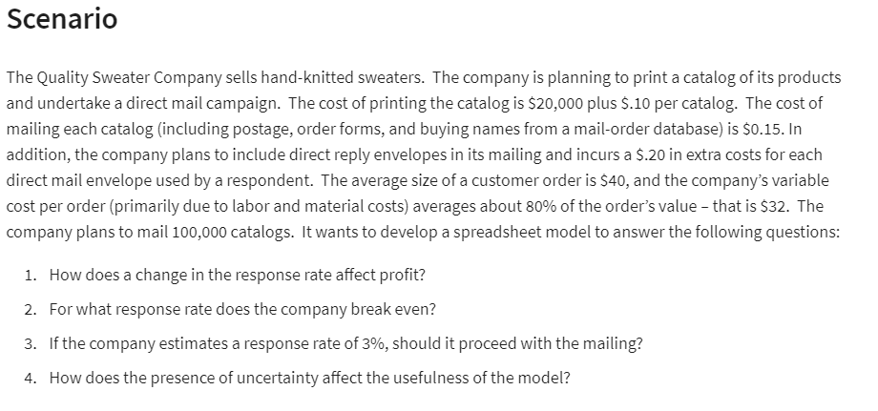

Quality Sweater Co: Response Rate vs Profit

Quality Sweater Company

Inputs
Cost: |  |  | a) Data Table:
Printing: | ₹ 20,000.00 |  | Respone Rate: | Profit:
Variable: |  |  |  | ₹ 15,060.00
Printing: | ₹ 0.10 | per Catalogue | 3.00% | -21600
Mailing: | ₹ 0.15 | per Catalogue | 3.50% | -17700
Reply Envelopes | ₹ 0.20 | per Order | 4.00% | -13800
Labor & Materials | ₹ 32.00 | per Order | 4.50% | -9900
 |  |  | 5.00% | -6000
Total Costs: | ₹ 292,940.00 |  | 5.50% | -2100
 |  |  | 6.00% | 1800
 |  |  | 6.50% | 5700
Catalogues Ordered: | 100000 |  | 7.00% | 9600
Response Rate: | 7.700% | <-- Dummy Value | 7.50% | 13500
Total Orders: | 7700 | =B36*B35 | 8.00% | 17400
 |  |  | 8.50% | 21300
 |  |  | 9.00% | 25200
Revenue:
Average Cutomer Order: | 40
Total Revenue: | 308000

Net Profit/Loss: | ₹ 15,060.00

